Sheet1
 |  | DATA | ANALYZING

EmpID | FirstName | LastName | StartDate | ADEmail | EmployeeType | DepartmentType | DOB | Marital Status
3456 | Axel | Howe | 6-Mar-23 | axel.howe@bilearner.com | Full-Time | Sales | 1946-09-25 | Divorced
3457 | Milton | Wall | 25-Sep-20 | milton.wall@bilearner.com | Full-Time | Sales | 1947-08-23 | Divorced
3458 | Cory | Robinson | 28-Apr-22 | cory.robinson@bilearner.com | Contract | Sales | 1996-08-12 | Single
3459 | Saniya | Yu | 18-Apr-21 | saniya.yu@bilearner.com | Part-Time | Sales | 1944-02-09 | Widowed
3460 | Alisa | James | 19-Feb-20 | alisa.james@bilearner.com | Full-Time | Sales | 1944-02-10 | Married
3461 | Lincoln | Compton | 18-Jul-19 | lincoln.compton@bilearner.com | Full-Time | Sales | 1997-12-29 | Married
3462 | Aliana | Nolan | 13-Sep-18 | aliana.nolan@bilearner.com | Contract | Sales | 1942-08-09 | Divorced
3463 | Kayden | Dodson | 30-Apr-20 | kayden.dodson@bilearner.com | Part-Time | Sales | 1951-06-21 | Single
3464 | James | Duke | 3-Dec-18 | james.duke@bilearner.com | Contract | Sales | 1998-06-17 | Widowed
3465 | Willow | Stuart | 8-Nov-21 | willow.stuart@bilearner.com | Full-Time | Sales | 1962-01-07 | Divorced
3466 | Clayton | Walker | 13-Apr-22 | clayton.walker@bilearner.com | Part-Time | IT/IS | 1979-01-26 | Married
3467 | Celia | Curtis | 6-May-20 | celia.curtis@bilearner.com | Contract | Sales | 1987-05-14 | Divorced
3468 | Valentin | Reilly | 9-Sep-19 | valentin.reilly@bilearner.com | Contract | Sales | 1998-04-26 | Single
3469 | Ryland | Shepherd | 29-Jul-20 | ryland.shepherd@bilearner.com | Contract | Sales | 1945-02-21 | Divorced
3470 | Esteban | Gilbert | 14-Nov-18 | esteban.gilbert@bilearner.com | Contract | Sales | 1997-05-31 | Married

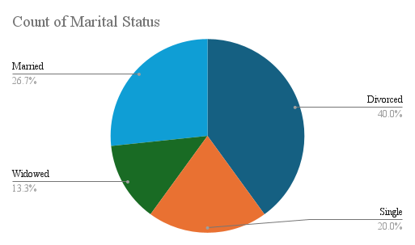
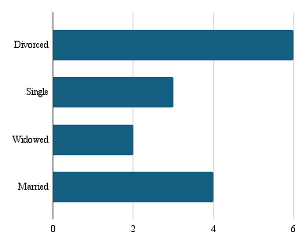

s

